KKO
KAJIAN KELAYAKAN OPERASI

DAYA LAMA |  |  |  | DAYA BARU
Nama Pelanggan | : | PD 164-197KVA RS PELITA ANUGRAH |  | Nama Pelanggan | : | PD 164-197KVA RS PELITA ANUGRAH
Daya Lama (VA) | : | 164000 |  | Daya Baru (VA) | : | 197000
Jumlah Fasa | : | 3 | * | Jumlah Fasa | : | 3
Tegangan Sekunder Pengukuran rata-rata (Fasa-Netral) (V) | : | 380 | * | Tegangan Sekunder Pengukuran rata-rata (Fasa-Netral) (V) | : | 380
Beban Pelanggan (A) | : | 249.17 |  | Beban Pelanggan (A) | : | 299.31

SUPLAI TRAFO EKSISTING |  |  |  | SUPLAI TRAFO RENCANA
Nomor Tiang | : | MGN02-56/3 |  | Nomor Tiang | : | MGN02-56/3
Penyulang | : | MGN 02 |  | Penyulang | : | MGN 02
Daya | : | 160 | * | Daya | : | 250
Jumlah Fasa | : | 1 | * | Jumlah Fasa | : | 3
Beban TRAFO (Pengukuran Lapangan) |  | 250 |  | Beban TRAFO | : | 380.29
Beban Primer | : | 13.86 | * | Beban Primer | : | 7.22
Beban Sekunder | : | 729.28 | * | Beban Sekunder | : | 379.84
Beban (A) | : | #VALUE! |  | Beban (A) | : | #VALUE!
Prosentase Pembebanan | : | 34% |  | Beban (A) | : | 100%
 | 100% | 100%
Prosentase Pembebanan | : | 100% |  | Beban (A) | : | 100%

DATA





DATA
Tahun | : | 2022
Discount Rate | : | 12%
Transfer price TM | : | 1,084 |  | Marginal COST maret 2022
Umur ekonomis (tahun) | : | 25.00
Selisih Susut Teknis | : | 2.25%
∑ Daya | : | 33
BP (Rp) | : | 30,921,000
RAB (Rp) | : | 118,018,458
Biaya O&M (2% invest) | : | 2,360,369.16

Nama Pelanggan | : | PD 164-197KVA RS PELITA ANUGRAH | *
Golongan Pelanggan | : | REGULER | *
Jenis Layanan | : | REGULER | *
Daya Lama (kVA) | : | 164 | *
Daya Baru (kVA) | : | 197 | *
Tarif WBP (Rp/kWh) | : | 1,444.70 | *
Tarif LWBP (Rp/kWh) | : | 1,444.70 | *
BP (Rp/VA) TR | : | 937 | *
Jam Nyala | : | 40 | *

RAB
 |  | PT. PLN ( PERSERO )
 |  | UNIT INDUK DISTRIBUSI JAWA TENGAH & DI YOGYAKARTA |  |  |  |  |  |  |  |  |  | RAB TOTAL
 |  | UP3 DEMAK |  |  |  |  |  |  |  |  | RAB TOTAL | RAB NON MDU
 | RENCANA ANGGARAN BIAYA (RAB)

 |  |  |  | Pekerjaan | : | PD 164-197KVA RS PELITA ANUGRAH
 |  |  |  | Lokasi | : | JL. SEMARANG-PURWODADI DS BANDUNGREJO
 |  |  |  | Pelaksana | : | PT. PLN (PERSERO) UP3 DEMAK
 |  |  |  | Anggaran | : | SAR 2023

Note !! 1. Saat Pengisian Uraian di mohon memasukan nama material sesuai dengan nama material di harga satuan
2. Mohon di cek kembali saat pengisian volume material
3. Untuk program Sarana Penunjang Fungsi tidak perlu SLO.
 | NO | URAIAN | GOL | SAT | VOL | HARGA SATUAN | BIAYA YANG DIPERLUKAN ( Rp )
 |  |  |  |  |  |  | MDU | HARDWARE | JASA | JUMLAH

#REF! | A | PEMASANGAN TIANG |  |  |  | 0 | 0 | 0 | 0 | 0
#REF! |  |  |  |  |  | 0 | 0 | 0 | 0 | 0
#REF! |  |  |  |  |  | 0 | 0 | 0 | 0 | 0
#REF! |  |  |  |  |  | 0 | 0 | 0 | 0 | 0
#REF! | B | PEKERJAAN PEMASANGAN KONSTRUKSI |  |  |  | 0 | 0 | 0 | 0 | 0
#REF! | + | Trafo 3 Fasa 250 KVA 2 Tiang (G313) |  | Unit | 1 | 0 | 0 | 0 | 0 | 0
#REF! | 1 | Trafo 3 phasa 250 kVA DYn5 | MDU-KD | Bh | 1 | 63,057,400 | 63,057,400 | 0 | 0 | 63,057,400
#REF! | 2 | Jumper Wire : |  |  |  | 0 | 0 | 0 | 0 | 0
#REF! |  | AAAC 70 mm² | MDU-KD | Mtr | 9 | 14,200 | 127,800 | 0 | 0 | 127,800
#REF! |  | NFA2X-T 3x70+1x70 | MDU-KD | Mtr | 3 | 54,500 | 163,500 | 0 | 0 | 163,500
v | 3 | Lightning Arester (Polymer) 21 KV, 10 KA | ATTB | Bh | 3 | 725,900 | 0 | 0 | 0 | 0
#REF! | 4 | FCO Polymer | ATTB | Bh | 3 | 848,250 | 0 | 0 | 0 | 0
#REF! | 5 | Fuse Link 6 A | HDW | Bh | 3 | 18,000 | 0 | 54,000 | 0 | 54,000
#REF! | 6 | Sepatu Kabel AL/CU Ring 95 | HDW | Bh | 13 | 64,300 | 0 | 835,900 | 0 | 835,900
#REF! | 7 | Bolt Machine / Bolt cariage ½" x ¾" | HDW | Bh | 28 | 7,938 | 0 | 222,264 | 0 | 222,264
 | 8 | Bracket band segment,vertikal plat ( Hot dip galvanis ) | ATTB | Bh | 2 | 404,600 | 0 | 0 | 0 | 0
 | 9 | Compresion Conector H type 70 mm² / 70 mm² | HDW | Bh | 3 | 15,900 | 0 | 47,700 | 0 | 47,700
#REF! | 10 | Cross Arm Steel 2.000 mm ( UNSP 10 ) galvanis | ATTB | Bh | 5 | 380,500 | 0 | 0 | 0 | 0
#REF! | 11 | Cross Arm Steel 3.000 mm ( UNSP 10 ) galvanis | ATTB | Bh | 4 | 559,200 | 0 | 0 | 0 | 0
#REF! | 12 | Hot Line Clamp ( 150mm² s/d 240 mm² ) | HDW | Bh | 3 | 173,400 | 0 | 520,200 | 0 | 520,200
#REF! | 13 | Pole Band Single Rack 7" atau 7 ½" | HDW | Bh | 2 | 57,690 | 0 | 115,380 | 0 | 115,380
 | 14 | Pole Band Single Rack 8" atau 8 ½" | ATTB | Bh | 2 | 60,300 | 0 | 0 | 0 | 0
 | 15 | Steel L 70 x 70 x 7 x 780 mm galvanis | ATTB | Bh | 4 | 129,000 | 0 | 0 | 0 | 0
#REF! | 16 | Upah Pasang Trafo 3 Fasa 250 KVA 2 Tiang | JASA | Unit | 1 | 4,127,900 | 0 | 0 | 4,127,900 | 4,127,900
#REF! |  |  |  |  |  | 0 | 0 | 0 | 0 | 0
 | + | CM2-11M |  | Unit | 1 | 0 | 0 | 0 | 0 | 0
 | 1 | Ground rod ⅝" x 8" Copper Weld | HDW | Bh | 1 | 185,200 | 0 | 185,200 | 0 | 185,200
#REF! | 2 | Bimetalic Connector 35 - 240 mm² | HDW | Bh | 1 | 47,459 | 0 | 47,459 | 0 | 47,459
 | 3 | Clamp Ground Rod ⅝" | HDW | Bh | 1 | 4,880 | 0 | 4,880 | 0 | 4,880
 | 4 | Ground wire Cu 16 mm² | HDW | Mtr | 10 | 30,000 | 0 | 300,000 | 0 | 300,000
#REF! | 5 | Ground rod & Washer | HDW | Bh | 2 | 9,500 | 0 | 19,000 | 0 | 19,000
 | 6 | Pipa PVC ½" | HDW | Bh | 5.5 | 6,100 | 0 | 33,550 | 0 | 33,550
 | 7 | Stopping Buckle / Yokes | HDW | Bh | 6 | 2,300 | 0 | 13,800 | 0 | 13,800
#REF! | 8 | Stainless Steel Strap 20 X 0.7 mm | HDW | Mtr | 4.8 | 23,310 | 0 | 111,888 | 0 | 111,888
#REF! | 9 | Upah Pasang Acc.Jar M2-11M | JASA | Unit | 1 | 65,400 | 0 | 0 | 65,400 | 65,400
#REF! |  |  |  |  |  | 0 | 0 | 0 | 0 | 0
 | + | Klem beugel bevesteging 8 x 6" | HDW | Unit | 4 | 38,800 | 0 | 155,200 | 0 | 155,200
 | + | Knee Pipe 3" | HDW | Unit | 4 | 8,784 | 0 | 35,136 | 0 | 35,136
#REF! | + | Spiral Pralon 3" | HDW | Unit | 4 | 67,344 | 0 | 269,376 | 0 | 269,376
 | + | Pole Band Double Rack 9" atau 12" | HDW | Unit | 4 | 53,000 | 0 | 212,000 | 0 | 212,000
#REF! | + | Pole Band Double Rack 6" atau 6 ½" | HDW | Unit | 4 | 52,500 | 0 | 210,000 | 0 | 210,000
 | + | Sepatu Kabel CU/CU OD 2 Hole 150 | HDW | Unit | 8 | 110,900 | 0 | 887,200 | 0 | 887,200
 | + | Compresion Conector H type 70 mm² / 70 mm² | HDW | Unit | 4 | 15,900 | 0 | 63,600 | 0 | 63,600
#REF! |  |  |  |  |  | 0 | 0 | 0 | 0 | 0
 |  |  |  |  |  | 0 | 0 | 0 | 0 | 0
v | C | PEKERJAAN PEMASANGAN APP |  |  |  | 0 | 0 | 0 | 0 | 0
#REF! | + | Daya 197.000 VA |  | Unit | 1 | 0 | 0 | 0 | 0 | 0
v | 1 | KWH Elektronik; 3P; 4W; 220/380V; 5(10); kls 1 (Pengukuran Tidak Langsung) | MDU-KD | Bh | 1 | 1,504,200 | 1,504,200 | 0 | 0 | 1,504,200
#REF! | 2 | Smart Box Tidak Langsung Daya 197 kVA MCCB 300 A | MDU-KD | Unit | 1 | 15,727,300 | 15,727,300 | 0 | 0 | 15,727,300
 | 3 | Modem 3G/4G | HDW | Unit | 1 | 1,113,900 | 0 | 1,113,900 | 0 | 1,113,900
#REF! | 4 | Kabel NYY 1 x 150 mm² | MDU-KD | Mtr | 50 | 218,600 | 10,930,000 | 0 | 0 | 10,930,000
#REF! | 5 | Upah Pasang SR + APP 3 Fasa | JASA | Unit | 1 | 106,400 | 0 | 0 | 106,400 | 106,400
v |  |  |  |  |  | 0 | 0 | 0 | 0 | 0
#REF! | D | PEMBONGKARAN |  |  |  | 0 | 0 | 0 | 0 | 0
#REF! |  |  |  |  |  | 0 | 0 | 0 | 0 | 0
#REF! | + | Upah Bongkar Trafo 3 Fasa 160 KVA 2 Tiang | JASA | Unit | 1 | 2,270,640 | 0 | 0 | 2,270,640 | 2,270,640
#REF! | + | Upah Bongkar SR + APP 3 Fasa | JASA | Unit | 3 | 63,840 | 0 | 0 | 191,520 | 191,520
#REF! |  |  |  |  |  | 0 | 0 | 0 | 0 | 0
 |  |  |  |  |  | 0 | 0 | 0 | 0 | 0
 | E | SLO |  |  |  | 0 | 0 | 0 | 0 | 0
 | 1 | Sertifikasi Laik Operasi | JASA | Lot | 1 | 2.5% |  |  | 2,593,242 | 2,593,242
 |  |  |  |  |  |  | 0 | 0 | 0 | 0

 |  | Jumlah MDU - Hardware - Jasa |  |  |  | : | 91,510,200 | 5,457,633 | 9,355,102 | 106,322,935
 |  | PPN 11% |  |  |  | : | 10,066,122 | 600,340 | 1,029,061 | 11,695,523
 |  | Jumlah Total |  |  |  | : | 101,576,322 | 6,057,973 | 10,384,164 | 118,018,458
 | Terbilang : Seratus Delapan Belas Juta Delapan Belas Ribu Empat Ratus Lima Puluh Delapan Rupiah

 | Harga yang dipakai adalah RAB HSS 2023

 |  |  |  |  |  |  |  | Tegowanu, Juni 2024
 |  |  |  |  |  |  |  | MANAGER ULP TEGOWANU

 |  |  |  |  |  |  |  | HARY PRATAMA

GAMBAR
 |  |  |  |  |  | PT. PLN (PERSERO) UP3 DEMAK
Hasil Ukur Trafo 3 Ph 50 KVA ( X ) di -
 | X0 | X1 | X2 | X3 |  | Keterangan Gambar :
SIANG | 8 | 241 | 247 | 240 |  | No | Nama Material |  |  | Baru |  | Eksisting
s
s
MALAM | 9 | 247 | 248 | 239 | MGN02-56/3 | 1 | Tiang Beton
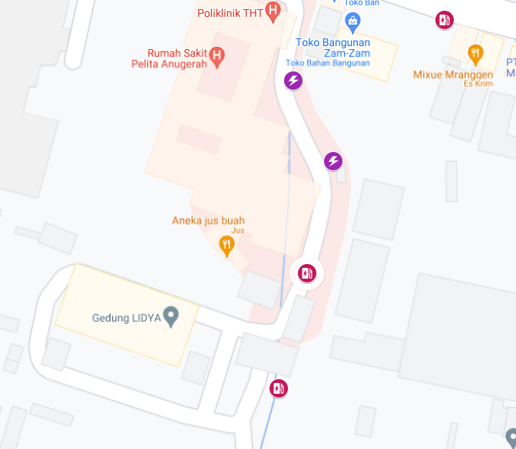
 |  |  |  |  |  | 2 | Tiang Besi
 |  |  |  |  |  | 3 | JTM 3 Fasa
 |  |  |  |  |  | 4 | JTM 1 Fasa
 |  |  |  |  |  | 5 | JTR 1 Fasa Only / UB
 |  |  |  |  |  | 6 | JTR 3 Fasa Only / UB
 |  |  |  |  |  | 7 | Trafo 1 Fasa
 |  |  |  |  |  | 8 | Trafo 3 Fasa
 |  |  |  |  |  | 9 | Fuse Cut Out
 |  |  |  |  |  | 10 | ABSW
 |  |  |  |  |  | 11 | Vang Net
 |  |  |  |  |  | 12 | Schoor
 |  |  |  |  |  | 13

 |  |  |  |  |  | Bongkar Pasang Konstruksi :
 |  |  |  |  |  | Pasang |  |  |  | Bongkar
 |  |  |  |  |  | C12-350E |  | BTG | 0 | CA-5 |  | U | 0
 |  |  |  |  |  | P12-C2 |  | U | 0 | CM5-9 |  | U | 0
A
 |  |  |  |  |  | CC1-A |  | U | 0 | SJ6 |  | U | 0
 |  |  |  |  |  | CC7 |  | U | 0 | RS9-110 DAN |  | BTG | 0
37 m
37 m
 |  |  |  |  |  | CC8-AN |  | U | 0 | SJ5 |  | U | 0
 |  |  |  |  |  | PAPAN PERINGATAN |  | U | 0 | SR APP 3PH 164KVA |  | U | 1
 |  |  |  |  |  | CC11 |  | U | 0 | CG-313 160KVA |  | U | 1
 |  |  |  |  |  | CM2-12 |  | U | 0
 |  |  |  |  |  | CM2-12A |  | U | 0
 |  |  |  |  |  | CE1-3 |  | U | 0
MGN02-56/3
1 CG-313 160 KVA
1 SR APP 3PH 164KVA
1 CG313 250 KVA
1 CM2-11M
1 SR APP 3PH 197KVA
APP
APP
 |  |  |  |  |  | F1-3 |  | U | 0
 |  |  |  |  |  | CM5-5 |  | U | 0
MGN01-56/4
1 C12 350
1 CC1-A
1 P12-C2
1 CM2-12
 |  |  |  |  |  | CM5-9 |  | U | 0
s
s
 |  |  |  |  |  | SJ6 |  | U | 0
 |  |  |  |  |  | CG313A 250 KVA |  | U | 1
s
s
APP
 |  |  |  |  |  | CM2-11M |  | U | 1
 |  |  |  |  |  | AAAC 70 mm2 |  | M | 0
50 m
 |  |  |  |  |  | NYY 1X150 mm2 |  | M | 50
 |  |  |  |  |  | APP 3P 197KVA |  | U | 1
MGN01-56/3
1 SJ5
3 SR 1PH
1 PJU
1 C12 350
1 CC1-A
1 CM2-12
 |  |  |  |  |  | PENGHALANG PANJAT |  | U | 0
MGN01-56/5-6
1 CC1A
1 CC7
1 G313-A 250 KVA
2 C12 350E
1 CM2-12
1 CM2-12A
1 CE1-3
1 F1-3
3 CM2-11M
1 SR APP 3PH 197 KVA
1000 AAAC 1X70mm2
50 NYY 1X150 mm2
2 PIPA PVC 6"
4 KNEE PIPA 6"
4 SPIRAL PRALON 6"
4 POLEBAND DR 10.5
4 POLEBAND DR 6.5
4 KABEL BEVESTEGGING 6" 8 SEPATU KABEL CU-CU 150 mm2
7 PAPAN PERINGATAN
7 PENGHALANG PANJAT
 |  |  |  |  |  | Keterangan Tambahan : -7.023213, 110.502291

50 m
MGN01-56/3
1 RS9-100 DAN
1 SJ5
3 SR 1PH
1 PJU
 |  |  |  |  |  | Golongan
 |  |  |  |  |  | No. Gambar |  | 1 |  |  | Lembar |  | dr
 |  |  |  |  |  | Gambar dari |  |  |  |  | Skala
 |  |  |  |  |  | Perihal:
 |  |  |  |  |  | PD 164-197KVA RS PELITA ANUGRAH
 |  |  |  |  |  | JL. SEMARANG-PURWODADI DS BANDUNGREJO

MGN01-56/1
1 CA-5
1 CM5-9
1 P12-C2
1 CC8-AN
1 CM5-9
1 CM2-12
1 CM2-12A
1 CE1-3
1 F1-3
MGN01-56/2
1 C12 350
1 CC11
1 CM2-12
1 CM2-12A
1 CE1-3
1 F1-3
 |  |  |  |  |  | Digambar |  | Staf Teknik
 |  |  |  |  |  | Diperiksa |  | TL. Teknik
 |  |  |  |  |  | Diketahui |  | Manager ULP
66 m
 |  |  |  |  |  | Disetujui |  | Man. Perencanaan

50 m

DC MGN06-61 - MGN01-56
2 CC8A
1 CA3
3 SJ6
1 CA-5
1 CC7
2 CM5-5
1 CM2-12
4 CCO 70-70

PETA
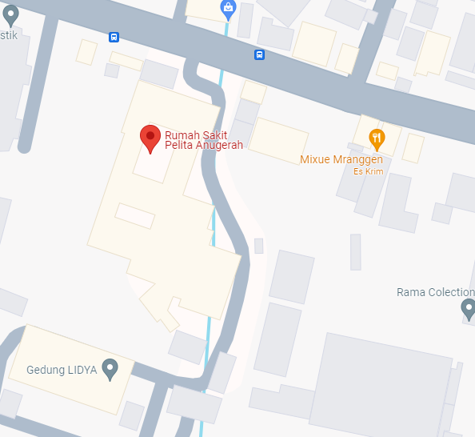
PETA LOKASI PELANGGAN

KOORDINAT LOKASI : -7.023213, 110.502291

SLD
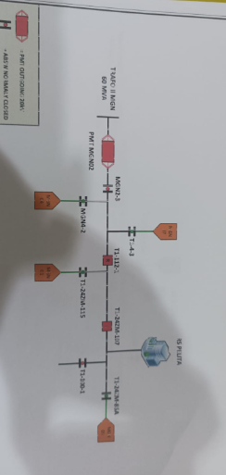
SINGLE LINE DIAGRAM LOKASI PELANGGAN

